Hướng dẫn
CÁCH LẤY DỮ LIỆU TÀI CHÍNH Bản quyền file thuộc Viện Nghiên cứu Phát triển Công nghệ Ngân hàng ĐHQG-HCM Mọi chi tiết xin liên hệ: ngancnt@uel.edu.vn

 |  | Lưu ý: - Bạn phải chắc chắn Trên menu Refinitiv file excel phải hiện chữ: Online. Nếu offline cần nhấp mở online lên. - File này chỉ chạy trên máy CÓ CÀI ĐẶT PHẦN MỀM Refinitiv Viện Nghiên cứu Phát triển Công nghệ Ngân hàng ĐHQG-HCM
I. LẤY DANH SÁCH HÀNG LOẠT CÔNG TY
 |  |  | Sheet Tong quan | A4
 | - Bước 1: vào sheet Tổng quan chọn ô a4 như hình
 | - Bước 2: Trên menu chính file excel chọn tab Thomson Reuters -> Screener
 | - Bước 3: TÙY CHỈNH LỌC DANH SÁCH CÔNG TY (CHÚ Ý chờ dữ liệu trong Screener hiện lên hẳn GIỐNG HÌNH DƯỚI )và chỉnh tùy chọn các điều kiện về các công ty bạn cần lấy ở cột bên trái màn hình (nước nào, sàn nào, ngành gì…)
 | - Bước 4: thêm điều kiện kèm theo về công ty nếu có. Ví dụ doanh số 2018, Market Cap tại thời điểm xuất, website, năm niêm yết. CÓ THỂ BỎ QUA BƯỚC NÀY NẾU BẠN ĐÃ HÀI LÒNG VỚI BƯỚC BA
 | - Bước 5: BẤM Insert screen
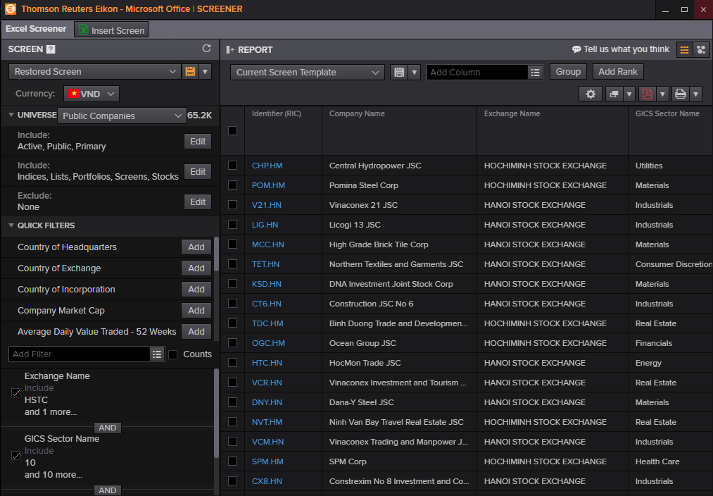
B5

B4

B3

II. LẤY DỮ LIỆU BIẾN
 | - Bước 1: mở phần mềm Eikon TRÊN Menu Start của Desktop

 | - Bước 2: nhập mã của 1 công ty (đã xuất trong sheet tổng quan) vào ô tìm kiếm ở đầu màn hình chính của bạn. Ví dụ: VNM.HM (Công ty VINAMILK).

 | - Bước 3: Khi giao diện chính công ty hiện ra chọn menu Financials -> chọn bảng dữ liệu có biến cần tìm. Ví dụ biến bạn cần tìm thuộc bảng cash Flow thì chọn bảng Cash Flow
 | - Bước 4: đưa chuột vào tên biến cần tìm -> nhấp vào dấu chấm hỏi bên cạnh. (Tip: bạn có thể bấm Ctrl trên bàn phím + phím F để gọi thanh tìm kiếm nhanh biến trên bảng)
 | - Bước 5: copy phần mã cần lấy và dán vào ô B3 sheet Tổng quan trong file excel (VD hình: TR.ChangesInWorkingCapital)
 | Dữ liệu cần lấy sẽ xuất hiện ở Sheet Biến cần lấy ( cạnh sheet tổng quan kèm miêu tả về biến đó)
 | - Bước 6: copy paste dữ liệu đã lấy qua 1 file excel mới và tiếp tục lặp lại bước 1 để tìm các biến khác. LƯU Ý: Bạn nên tạo một file excel trống mới và copy value dữ liệu thu được trong file excel này để tránh nặng máy và thất thoát dữ liệu không mong muốn

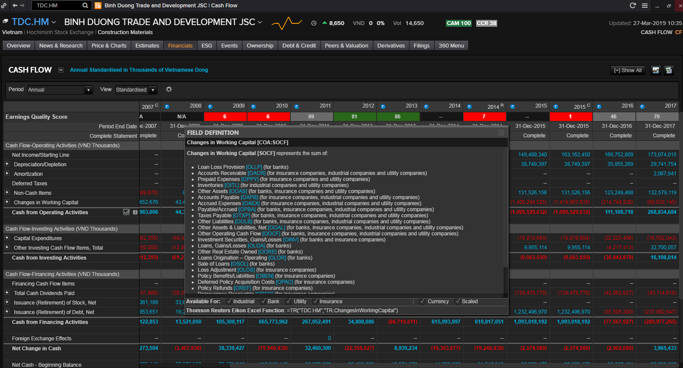

B3

B4

B5

